Fresnel Zone
frequency = |  |  | 2400 | MHz |  | frequency = |  |  | 5800 | MHz
wavelength= |  |  | 0.1250 | m |  | wavelength= |  |  | 0.0517 | m

D1 | D2 | n | r | 60% r | 60% r + 3m | D1 | D2 | n | r | 60% r | 60% r + 3m
5 | 5 | 1 | 0.56 | 0.34 | 3.34 | 5 | 5 | 1 | 0.36 | 0.22 | 3.22
10 | 10 | 1 | 0.79 | 0.47 | 3.47 | 10 | 10 | 1 | 0.51 | 0.31 | 3.31
20 | 20 | 1 | 1.12 | 0.67 | 3.67 | 20 | 20 | 1 | 0.72 | 0.43 | 3.43
50 | 50 | 1 | 1.77 | 1.06 | 4.06 | 50 | 50 | 1 | 1.14 | 0.68 | 3.68
100 | 100 | 1 | 2.50 | 1.50 | 4.50 | 100 | 100 | 1 | 1.61 | 0.96 | 3.96
120 | 120 | 1 | 2.74 | 1.64 | 4.64 | 120 | 120 | 1 | 1.76 | 1.06 | 4.06
150 | 150 | 1 | 3.06 | 1.84 | 4.84 | 150 | 150 | 1 | 1.97 | 1.18 | 4.18
200 | 200 | 1 | 3.54 | 2.12 | 5.12 | 200 | 200 | 1 | 2.27 | 1.36 | 4.36
220 | 220 | 1 | 3.71 | 2.22 | 5.22 | 220 | 220 | 1 | 2.39 | 1.43 | 4.43
250 | 250 | 1 | 3.95 | 2.37 | 5.37 | 250 | 250 | 1 | 2.54 | 1.53 | 4.53
300 | 300 | 1 | 4.33 | 2.60 | 5.60 | 300 | 300 | 1 | 2.79 | 1.67 | 4.67
400 | 400 | 1 | 5.00 | 3.00 | 6.00 | 400 | 400 | 1 | 3.22 | 1.93 | 4.93
500 | 500 | 1 | 5.59 | 3.35 | 6.35 | 500 | 500 | 1 | 3.60 | 2.16 | 5.16
1000 | 1000 | 1 | 7.91 | 4.74 | 7.74 | 1000 | 1000 | 1 | 5.09 | 3.05 | 6.05
1600 | 1600 | 1 | 10.00 | 6.00 | 9.00 | 1600 | 1600 | 1 | 6.43 | 3.86 | 6.86
2000 | 2000 | 1 | 11.18 | 6.71 | 9.71 | 2000 | 2000 | 1 | 7.19 | 4.32 | 7.32
3000 | 3000 | 1 | 13.69 | 8.22 | 11.22 | 3000 | 3000 | 1 | 8.81 | 5.28 | 8.28
5000 | 5000 | 1 | 17.68 | 10.61 | 13.61 | 5000 | 5000 | 1 | 11.37 | 6.82 | 9.82
10000 | 10000 | 1 | 25.00 | 15.00 | 18.00 | 10000 | 10000 | 1 | 16.08 | 9.65 | 12.65

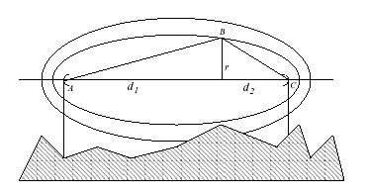

Spreadsheets developed from first principles by William Stucke: |  |  |  |  |  |  | William@stucke.co.za
Image copied from elsewhere

Obstructions
Attenuation due to solid obstruction between Antennae

This calculation assumes diffraction only around a large obstruction between two aerials

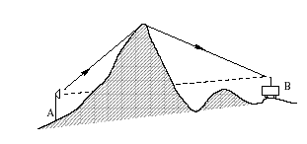

 | Incomplete!

